Bug Report
Bug ID | Module Name | Bulid No | Description | TCID | Steps to replicate bug | Screenshot | Sevirity | Priority | Reported By | Assigned to | Resolution | Status | Fixed Date
ORHRM_001 | Orange HRM-MyInfo | 1 | Dashboard is displayed after login is successful instead of MyInfo page | TC_MyInfo_001 | 1)Launch browser 2)Open URL" https://opensource-demo.orangehrmlive.com/" 3)Provide valid ESS username 4)Provide valid password 5) Click on Login button | 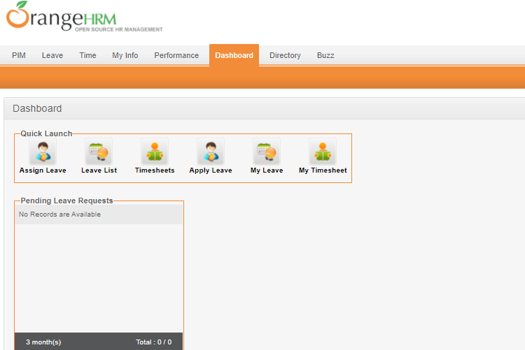 | S3 | P3 | faique

